Sheet1
SKU | Product Name | Color | Product Main Image | Qty | Retail Price | Product Link | Product Package Image | Carton Dimension | Pallets | Location
X0043S97FZ | Pickleball Paddles Carbon Fiber Surface Type A Set of 2, with 4 Balls＆2 Sports Wristband | Black | 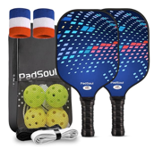 | 71 | $49.99 | https://www.amazon.com/PadSoul-Pickleball-Fiberglass-Wristband-Instructions/dp/B0CSJQFY98?th=1 | 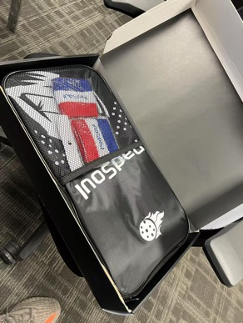 | 23*17.8*18.9inch |  | NV 89044
X0043S5UPB | Pickleball Paddles Carbon Fiber Surface Type B Set of 2, with 4 Balls＆2 Sports Wristband | Black | 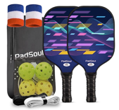 | 73 |  | https://www.amazon.com/PadSoul-Pickleball-Fiberglass-Wristband-Instructions/dp/B0CSJYZQBC?th=1 |  | 23*17.8*18.9inch
X0043S97FP | Pickleball Paddles Carbon Fiber Surface Type C Set of 2, with 4 Balls＆2 Sports Wristband | White | 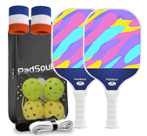 | 63 |  | https://www.amazon.com/PadSoul-Pickleball-Fiberglass-Wristband-Instructions/dp/B0CSJR15KX?th=1 |  | 23*17.8*18.9inch
X0043S959N | Pickleball Paddles Fiberglass Surface Type A Set of 2, with 4 Balls＆2 Sports Wristband | Black | 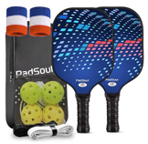 | 130 |  | https://www.amazon.com/PadSoul-Pickleball-Fiberglass-Wristband-Instructions/dp/B0CSJRHKK1?th=1 |  | 23*17.8*18.9inch
X0043SB9B5 | Pickleball Paddles Fiberglass Surface Type B Set of 2, with 4 Balls＆2 Sports Wristband | Black | 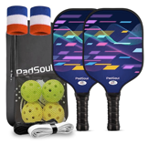 | 138 |  | https://www.amazon.com/PadSoul-Pickleball-Fiberglass-Wristband-Instructions/dp/B0CSJWXHWH?th=1 |  | 23*17.8*18.9inch
X0043SD3I7 | Pickleball Paddles Fiberglass Surface Type C Set of 2, with 4 Balls＆2 Sports Wristband | White | 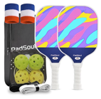 | 134 |  | https://www.amazon.com/PadSoul-Pickleball-Fiberglass-Wristband-Instructions/dp/B0CSJYPWLC?th=1 |  | 23*17.8*18.9inch

 |  |  |  | 609

